Pricing Options
Assume a game of rolling a dice, where you have an instrument:X
payoff of X | max ( number on dice -3 , 0)
fair value of x = ?
probability of winning amount
Total payoff | =1/6*1+1/6*2+1/6*3
therefore fair value of X | 1 | this says for every role I win 1

X is exactly like a call option with number on dice as underlying and "3" is strike price

Pricing option example | Assume stock price is 100 and probabilities of ending at particular prices in year given below
90 | 0.05 | the option doesn't get expired
95 | 0.25 | the option doesn't get expired
100 | 0.4 | the option doesn't get expired
105 | 0.2
110 | 0.1
Fair value of option with strike 100 | = (105-100)*0.2+(110-100)*0.1 | 2
Option can be easily priced if one knows the probability distribution of underlying stock
how distribution calculated? | Assume returns of stock are normally distributed, then I can calculate probabilities and price option just by having mean and SD

Model the price of a stock S : Blackscholes |  | Weiner process
1. Assume no volatility and stock has expected % return of "Mu" | dS/S = "mu"dt | variable z follows weiner process if it has following two properties
 |  | 1. change dz during small period of time dt is:
 |  | dz = e*sqrt(dt) | e has standard normal dist.
 |  | 2. the values of dz for any two different short intervals dt are independent
 |  | hence dz itself has standard normal distribution
 |  | mean of dz | 0
 |  | variance of dz | 1 for 1 time interval and hence dt
 |  | SD of dz | sqrt(dt)
let's add weiner process to incorporate volatility: | ds/S = "mu"dt+sigma*dz | where dz is weiner process
in other words: | (delta S)/S follows normal dist. of ("mu"(delta t), sigma^2*(delta t)
from ito's lemma , the solution of equation becomes:

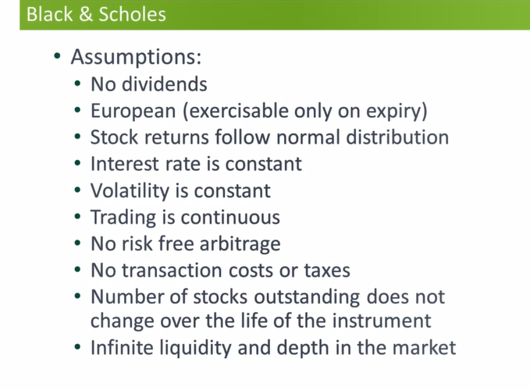

American options | Stock with dividends | Stock without dividends
Call option | Discretion - evaluate the call option for exdividend(dividend has ben paid out) and on-expiry dates, compare the prices - higher would be price of american call option | Price like european

Put option | Discretion | Discretion

